China-data
Freight LDV

ICE车型选取总质量4.5吨级别的江淮骏铃V6车型，EV车型选取江淮帅铃i5纯电动车型。

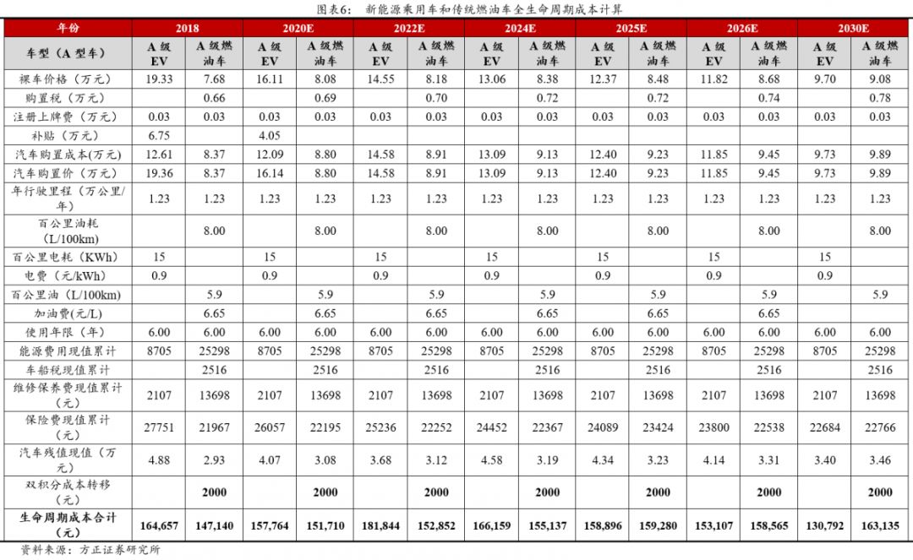
Passenger LDV

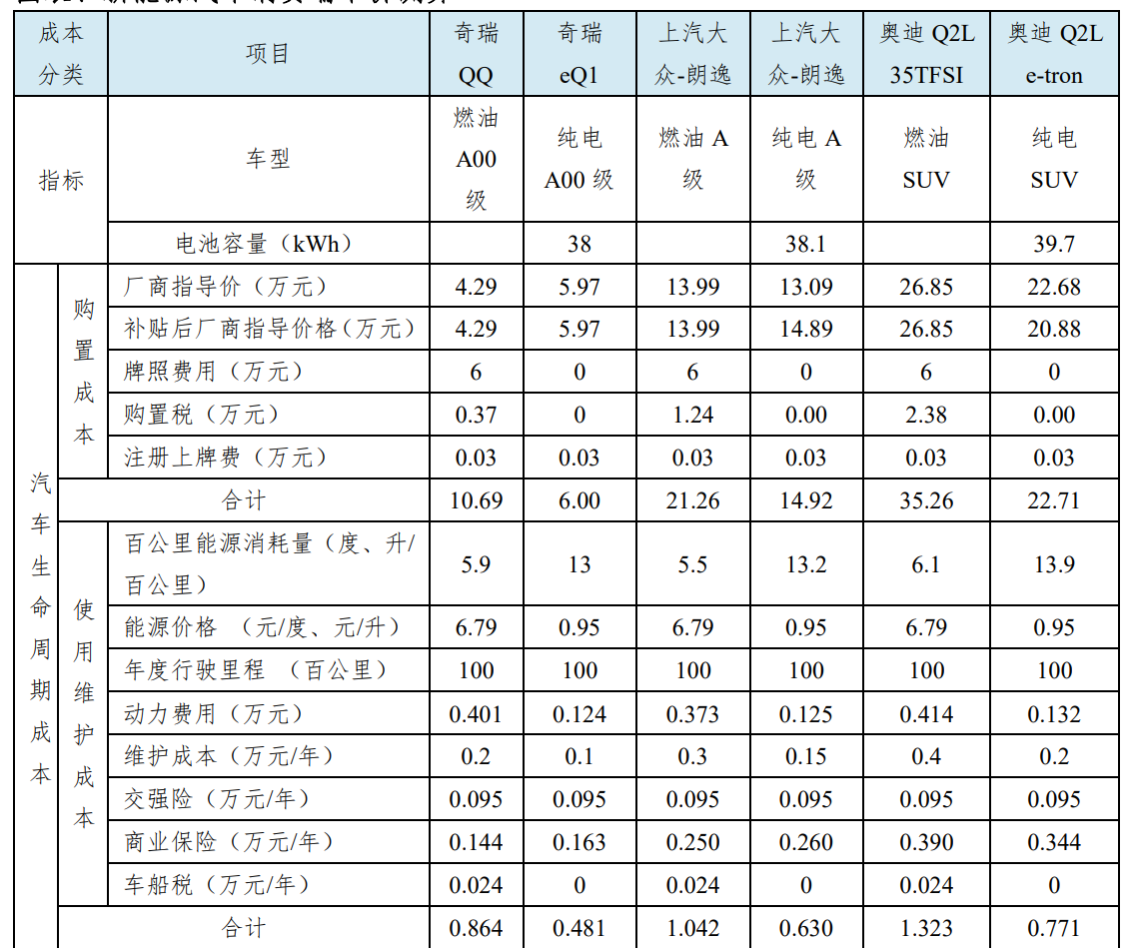

 |  | 成本 分类 |  | 项目 | 奇瑞 QQ | 奇瑞 eQi | 上汽大 众•朗逸 | 上汽大 众•朗逸 | 奥迪Q2L 35TFSI | 奥迪Q2L e-tron
 |  | 指标 |  | 车型 | 燃油 A00 级 | 纯电 A00级 | 燃油A 级 | 纯电A 级 | 燃油 SUV | 纯电 SUV
 |  |  |  | 电池容量（kWh） |  | 38 |  | 38.1 |  | 39.7
 |  |  | 购 置 成 本 | 厂商指导价（万元） | 4.29 | 5.97 | 13.99 | 13.09 | 26.85 | 22.68
 |  |  |  | 补贴后厂商指导价格（万元） | 4.29 | 5.97 | 13.99 | 14.89 | 26.85 | 20.88
 |  |  |  | 牌照费用（万元） | 6 | 0 | 6 | 0 | 6 | 0
 |  |  |  | 购置税（万元） | 0.37 | 0 | 1.24 | 0.00 | 2.38 | 0.00
 |  | 汽 车 生 命 周 期 成 本 |  | 注册上牌费（万元） | 0.03 | 0.03 | 0.03 | 0.03 | 0.03 | 0.03
 |  |  | 合计 |  | 10.69 | 6.00 | 21.26 | 14.92 | 35.26 | 22.71
 | 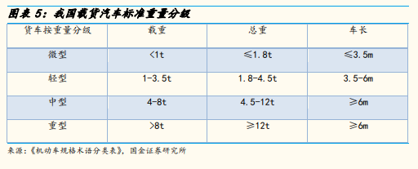 |  | 使 用 维 护 成 本 | 百公里能源消耗量（度、升/ 百公里） | 5.9 | 13 | 5.5 | 13.2 | 6.1 | 13.9
 |  |  |  | 能源价格（元/度、元/升） | 6.79 | 0.95 | 6.79 | 0.95 | 6.79 | 0.95
 |  |  |  | 年度行驶里程（百公里） | 100 | 100 | 100 | 100 | 100 | 100
 |  |  |  | 动力费用（万元） | 0.401 | 0.124 | 0373 | 0.125 | 0.414 | 0.132
 |  |  |  | 维护成本（万元/年） | 0.2 | 0.1 | 0.3 | 0.15 | 0.4 | 0.2
 |  |  |  | 交强险（万元/年） | 0.095 | 0.095 | 0.095 | 0.095 | 0.095 | 0.095
 |  |  |  | 商业保险（万元/年） | 0.144 | 0.163 | 0.250 | 0.260 | 0.390 | 0.344
 |  |  |  | 车船税（万元/年） | 0.024 | 0 | 0.024 | 0 | 0.024 | 0
 |  |  | 合计 |  | 0.864 | 0.481 | 1.042 | 0.630 | 1.323 | 0.771

